Script
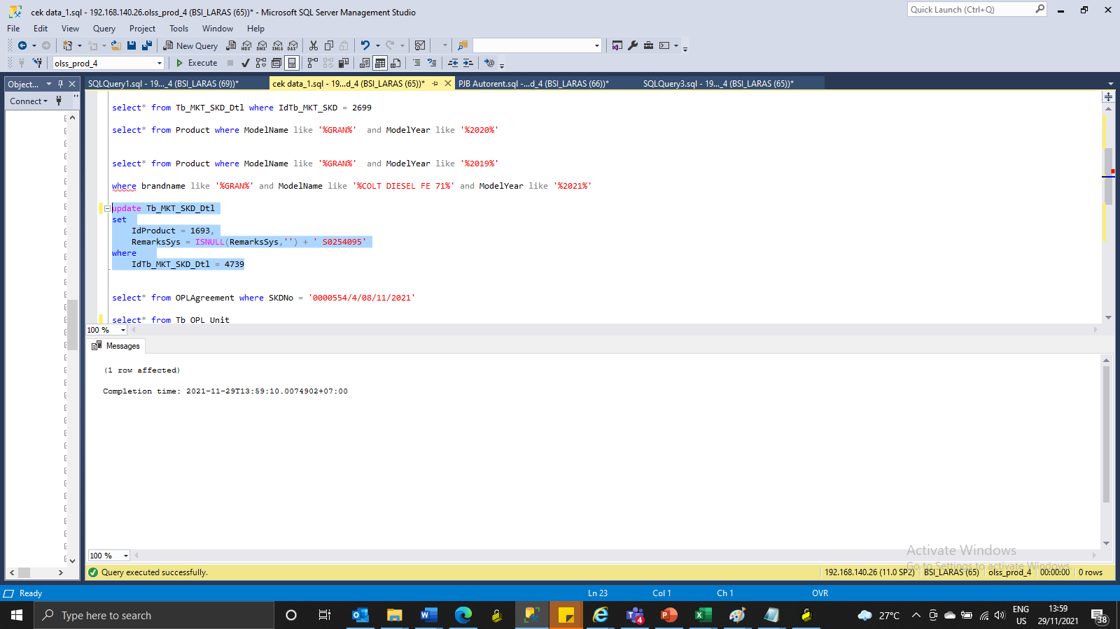
update Tb_MKT_SKD_Dtl
set
 | IdProduct = 1693,
 | RemarksSys = ISNULL(RemarksSys,'') + ' S0254095'
where
 | IdTb_MKT_SKD_Dtl = 4739

Screenshot
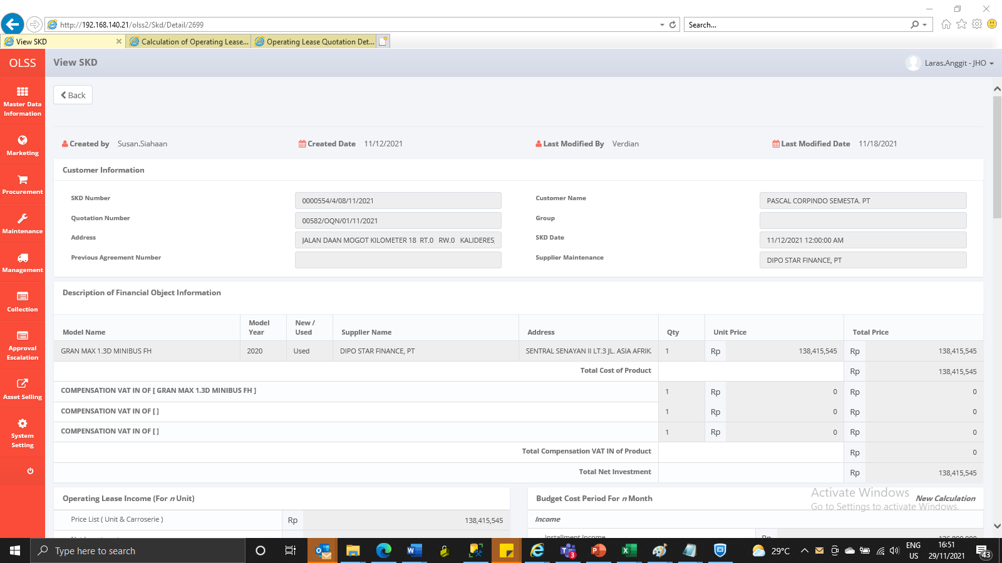
BEFORE
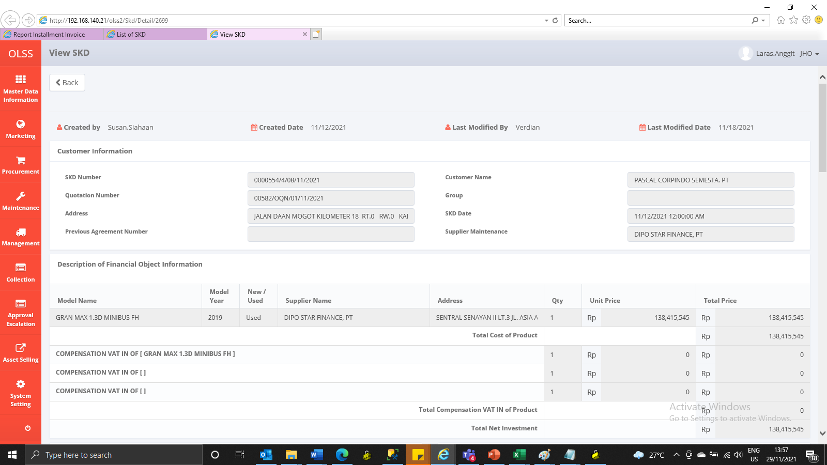

AFTER

